Sheet1
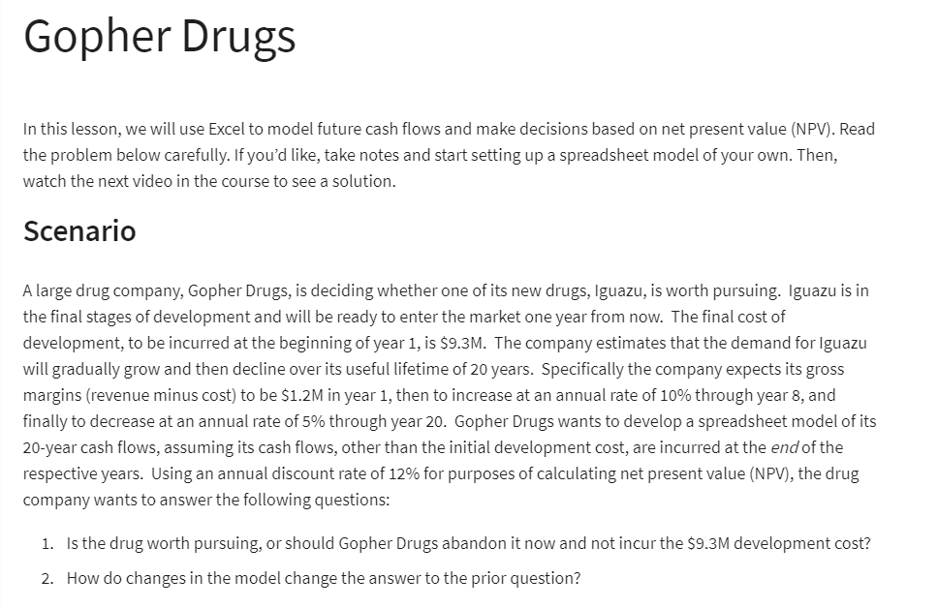

Development Cost | 9.3 | million ($) | Year | Cashflows
 |  |  | 1 | 1.20
Annual Discount Rate: | 12% |  | 2 | 1.32
 |  |  | 3 | 1.45
Revenue: |  |  | 4 | 1.60
Gross Margins: |  |  | 5 | 1.76
Year 1 | 1.2 | million ($) | 6 | 1.93
 |  |  | 7 | 2.13
 |  |  | 8 | 2.34
Lifetime: | 20 | years | 9 | 2.22
 |  |  | 10 | 2.11
Rates: |  |  | 11 | 2.00
Increasing Annual Rate: | 10% |  | 12 | 1.90
Increasing Till: | 8 | years | 13 | 1.81
 |  |  | 14 | 1.72
Decreasing Rate: | 5% |  | 15 | 1.63
Decreasing For: | 12 | years | 16 | 1.55
 |  |  | 17 | 1.47
 |  |  | 18 | 1.40
(Net)Present Value: | 12.60 | million ($) | 19 | 1.33
Development Cost: | 9.3 | million ($) | 20 | 1.26

Profit | 3.30 | million ($)

